1. Title Page
Instacart Grocery Basket Analysis

Project Name: Instacart Grocery Basket Analysis
Date: April 24, 2024
Analyst Name: Negar Nikeghbali
Analyst Name:

Contents:
Population Flow
Consistency checks
Wrangling steps
Column derivations
Visualizations
Recommendations

Data Citation:
“The Instacart Online Grocery Shopping Dataset 2017”,
Accessed from www.instacart.com/datasets/grocery-shopping-2017
via Kaggle on July 26, 2023
This data was fabricated and used for the purposes of CareerFoundry Data Analytics coursework.

2. Population Flow
Title page

Population flow

Exclusion flag
Condition: max_order < 5
Obervations to be removed: 711,316
Final total count of order_products_all: 32,404,859

Orders_products_combined
Orders_products_merged
Orders_products_all_ex

Total: 9,918,253
Total: 9,918,253
Total: 9,479,702

1.) The grey boxes in the first row of the population flow represent the original data sets as they were when you downloaded them. In the Total fields you need to add the count of the rows when you imported the data set into Jupyter.
2.) The second row of boxes (coloured) represents the data sets after you manipulated them, e.g., removed missing values and duplicates. In the Total fields you need to add the count of the rows after conducting these operations. This offers a visual oveview of how the data flows throughout the data consistency checks.
3.) The third row, where also the arrows are coloured, represents the merges you performed between the datasets. In the Total fields you need to add the count of the rows in the merged datasets, so that you end up with the final dataset (in the red box). Keep in mind the final dataset should be without exclusions (based on the exclusion flag).

3. Consistency checks
 |  |  |  | Title page
Consistency checks

Dataset | Missing values | Missing values treatment | Duplicates
orders | days_since_prior_order: 206,209 NaN's | NaN allowed to remain as multiple first orders are present in the data set. This is due to new customer's joining Instacart and making their first order: there was no prior order. All NaN#s are replcaed with mean of the column.
products | product_name: 16 NaN's | removed | 5 duplicate rows deleted
orders_products_prior
customers

4. Wrangling steps
 |  |  |  | Title page
Wrangling steps

Columns dropped | Columns renamed | Columns' type changed | Comment/Reason
 | orders.csv: 'orders_dow' renamed 'orders_day_of_week' |  | "dow" may not be a commonly known acronym
 |  | 'order_id' from int64 to str | Although order_id is a number is does not hold numeric value but is instead a numeric label. Changing it's data type to a string sets it as an "object's" label
 |  | 'user_id' int64 to str | Although user_id is a number is does not hold numeric value but is instead a numeric label. Changing it's data type to a string sets it as an "object's" label
 | customers.csv: 'First Name' renamed 'first_name' |  | column naming consistency
 | customers.csv: 'Surnam' renamed 'last_name' |  | column naming consistency
 | customers.csv: 'Gender' renamed 'gender' |  | column naming consistency
 | customers.csv: 'State' renamed 'state' |  | column naming consistency
 | customers.csv: 'Age' renamed 'age' |  | column naming consistency
 | customers.csv: 'fam_status' renamed 'family_status' |  | column naming consistency
first_name' |  |  | unneeded
last_name' |  |  | unneeded
eval_set' |  |  | unneeded

5. Column derivations
 |  |  |  |  |  |  | Title page

Column derivations and aggregations

Dataset | New column | Column/s it was derived from | Conditions
df_orders_products_merged | price_range_loc | prices | price <= 'Low-Range product price > 5 'Mid-range product' price > 15 'High-range product' else 'Not enough data'
df_orders_products_merged | busiest_day | orders_day_of_week | if Saturday(0), then busiest day if Wednesday(4), then least busy else, then regularly busy
df_orders_products_merged | busiest_days | orders_day_of_week | if 0(Saturday) or 1(Sunday), then busiest days if 3(Tuesday) or 4(Wednesday), then slowest days else then regularly busy days
df_orders_products_merged | busiest_period_of_day | order_hour_of_day | if in range (9,16), then Most Orders if in range (0,8), then Fewest Orders else, then Average Orders
orders_products_merged | max_order | user_id and order_number | counts the total amount of orders by user
orders_products_merged | loyalty_flag | max_order | if more than 40 orders, then loyal customer if less than 40 but more than 10, then regular customer if less than 10 orders, then new customer
orders_products_merged | spend_flag | average_spend | if average spend is less than 10, then low spender if average spend is higher than 10, then high spender
orders_products_merged | frequency_flag | frequent_customer | if last order is greater than 20, then non-frequent customer if last order is less than 20 but greater than 10, then regular customer if last order is less than 10, then frequent customer
orders_product_all | Region | State | States grouped into Regions by geographical location
orders_product_all | activity_flag | max_order | if max order is less than 5, then low activity if max order is greater than or equal to 5, then regular activity
orders_product_all_ex | income_status | income | if income is less than 75000, then low income if income is in range (75000, 150000), then medium income else then high income
orders_product_all_ex | parental_status | n_dependants | if dependants is 0, then non parent else then parent
orders_product_all_ex | age_group | age | if age is between (18,39), then young adult if age is between (40,64), then middle aged adult else then senior citizen
orders_product_all_ex | customer_profile | age_group and parental_status | if "young adult and non parent" then "single young adult" if "young adult and parent" then "young adult parent" if "middle aged adult and non parent" then "middle aged single adult" if "middle aged adult and parent" then "middle aged parent" if "senior citizen and non parent" then "single senior citizen" if "senior citizen and parent" then "senior citizen parent"
orders_product_all_ex | total_price_paid | user_id and prices | total cost that each user_id paid

Frequences of flags/label variations
price_range_loc | spender_flag | spend_flag Midwest Northeast South West High Spender 39264 31365 64712 46577 Low Spender 2272857 1738495 3260329 2464654 |  |  | High Income | Low Income | Medium Income | age_group | Middle Aged Adult | Senior Citizen | Young Adult
Mid-range product 666122 | Low_spender 9736335 |  |  |  |  |  |  | department_id
Low-range product 333878 | High_spender 181918 |  |  | Middle-Aged Parent | 521500 | 481990 | 1758025 | 1 | 247618 | 174390 | 223276
 |  | customer_profile Middle-Aged Parent 2761515 Young Adult Parent 2480335 Senior Citizen Parent 1897378 Middle-Aged Single Adult 931237 Single Young Adult 799459 Single Senior Citizen 609778 |  | Middle-Aged Single Adult | 178451 | 152520 | 600266 | 2 | 4032 | 2605 | 3749
busiest_day | frequency_flag |  |  | Senior Citizen Parent | 362540 | 292745 | 1242093 | 3 | 132636 | 92104 | 118908
Regularly busy 6867213 | Frequent customer. 6258107 |  |  | Single Senior Citizen | 113119 | 90722 | 405937 | 4 | 1081665 | 739152 | 961724
Busiest day 1894196 | Regular customer. 2840401 |  |  | Single Young Adult | 6298 | 502312 | 290849 | 5 | 16755 | 10082 | 16645
Least busy 1156844 | Non-frequent customer. 819745 |  |  | Young Adult Parent | 19882 | 1550395 | 910058 | 6 | 31047 | 20431 | 27185
busiest_days | activity_flag |  |  |  |  |  |  | 7 | 311245 | 209080 | 266685
Regularly busy 6867213 | Regular Activity 9479702 |  |  |  |  |  |  | 8 | 10348 | 7225 | 10586
Busiest day 1894196 | Low Activity 438551 |  |  |  |  |  |  | 9 | 98159 | 66147 | 86523
Least busy 1156844 | income_status |  |  |  |  |  |  | 10 | 4121 | 2596 | 3543
busiest_period_of_day | Medium Income 5207228 |  |  |  |  |  |  | 11 | 52380 | 34287 | 44809
Most orders 6996423 | Low Income 3070684 |  |  |  |  |  |  | 12 | 80809 | 55753 | 70320
Fewest orders 1963558 | High Income 1201790 |  |  |  |  |  |  | 13 | 214257 | 143325 | 187217
Average orders 958272 | age_group |  |  |  |  |  |  | 14 | 81510 | 52985 | 70634
loyalty_flag | Middle Aged Adult 3692752 |  |  |  |  |  |  | 15 | 121498 | 81721 | 108278
Regular customer 4865587 | Young Adult 3279794 |  |  |  |  |  |  | 16 | 613275 | 416102 | 553145
Loyal customer 3154279 | Senior Citizen 2507156 |  |  |  |  |  |  | 17 | 85487 | 55632 | 73714
New customer 1898387 |  |  |  |  |  |  |  | 18 | 49667 | 31031 | 43955
parental_status |  |  |  |  |  |  |  | 19 | 328905 | 223909 | 295345
Parent 7139228 |  |  |  |  |  |  |  | 20 | 119669 | 83165 | 106986
Non Parent 2340474 |  |  |  |  |  |  |  | 21 | 7669 | 5434 | 6567

6. Visualizations
 |  | Title page

Visualisations

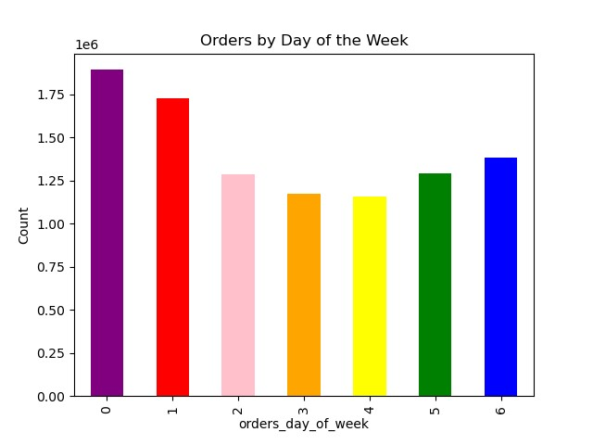

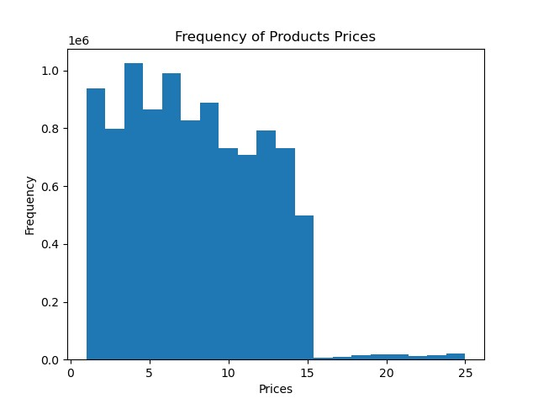
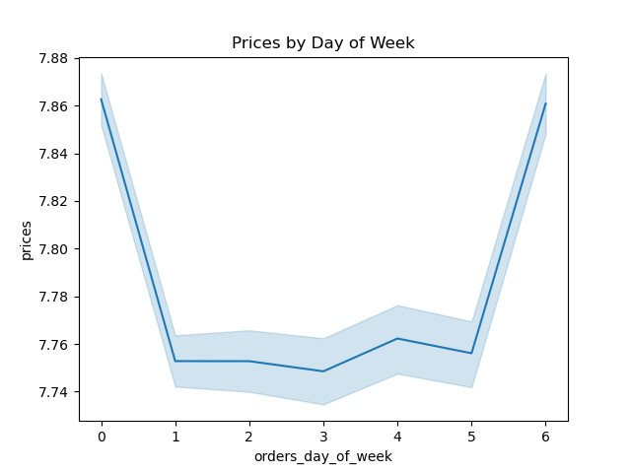

Legend
0= Saturday 1=Sunday 2=Monday 3=Tuesday 4=Wednesday 5=Thursday 6=Friday
Represents the number of orders in 24 Hour of a day.
Represents the count of products by prices.
Represents the number of orders for each day of the week. Saturday (0) and Sunday (1) being the busiest and Tuesday (3) and Wednesday (4) being the least busy.

between 9-16 is the biest period.
most products prices are between 1 and 15, while a few are higher priced at 15 to 25.

Represents the number of orders for each day of the week. Saturday (0) and Sunday (1) being the busiest and Tuesday (3) and Wednesday (4) being the least busy.
The most expensive orders from Instacart customers come Friday through Sunday.

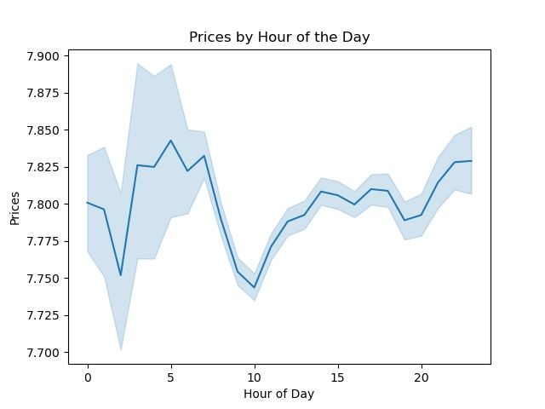
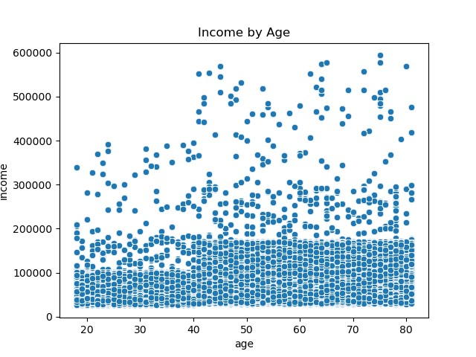
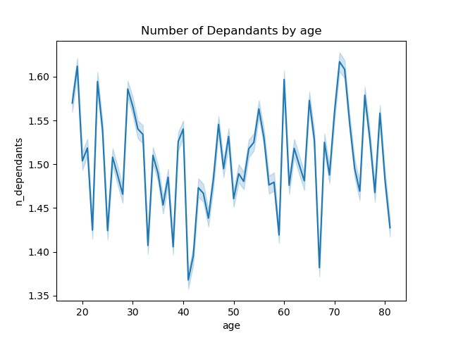

 |  |  |  | #

Represents the relationship between the most spent money per hour of a day.
Represents the income of customers by their age.
Represents the number of dependants by the age of customers.

For all ages there is a concentration on the incomes lower than 200k. Younger people (until 40 years old) have incomes lower than 400k and with lower concentration between 200k and 400k and higher concentration on lower than 100k. From 40 years old onwards, it is possible to identify three different patterns: High concentration - incomes lower than 200k (+/-) medium concentration - incomes between 200 and 300k lower concentration - incomes higher than 300k
There is no clear pattern between age and number of dependent.Also an increase in the younger people and a descrease in the older users.

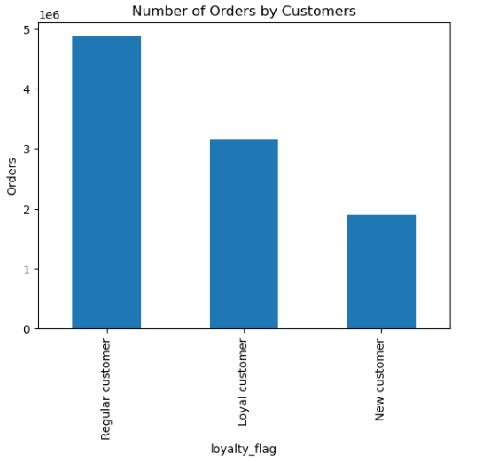
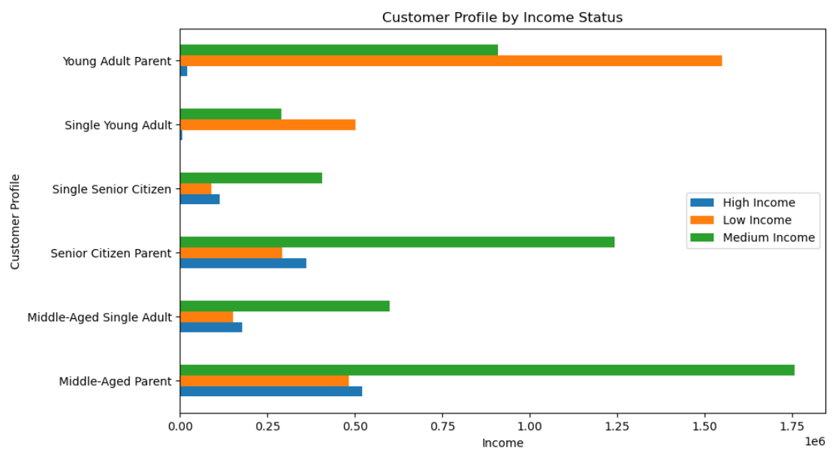
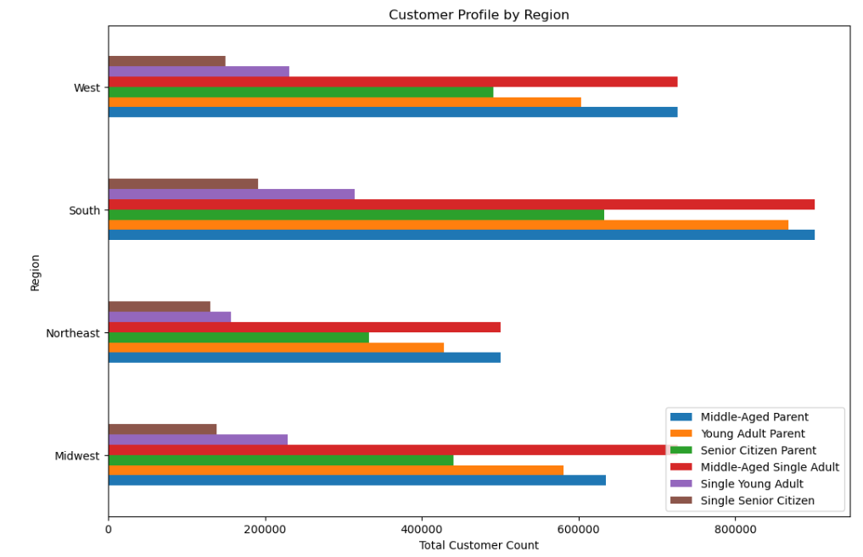

Represents the number of orders by each customers category.
Represents incomes of customers by their profile category.
Represents total count of customers by Region.

Regular customers has the most orders.

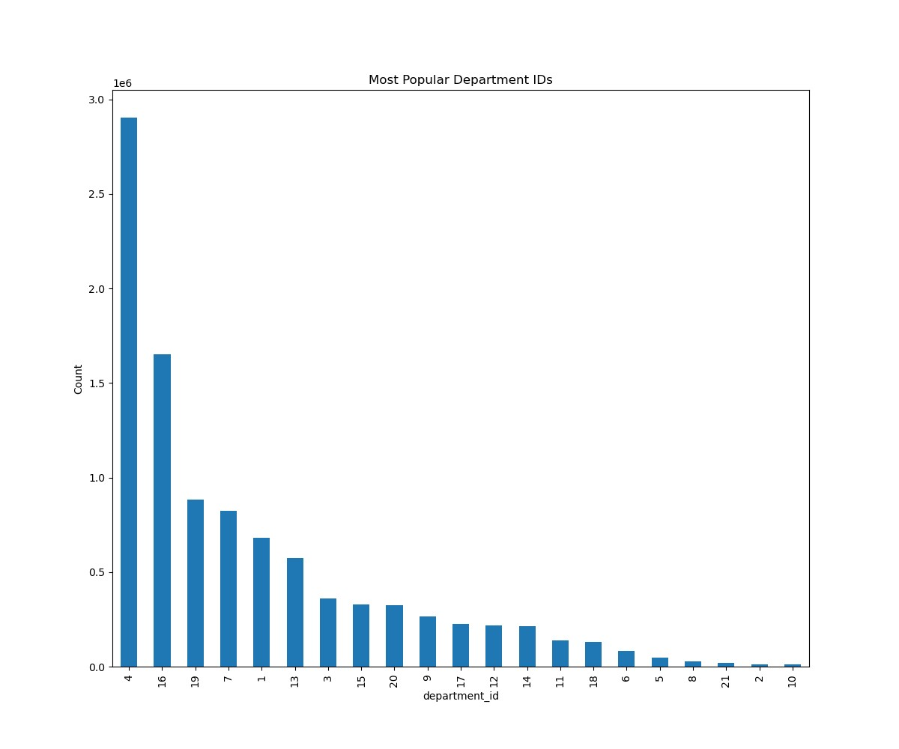

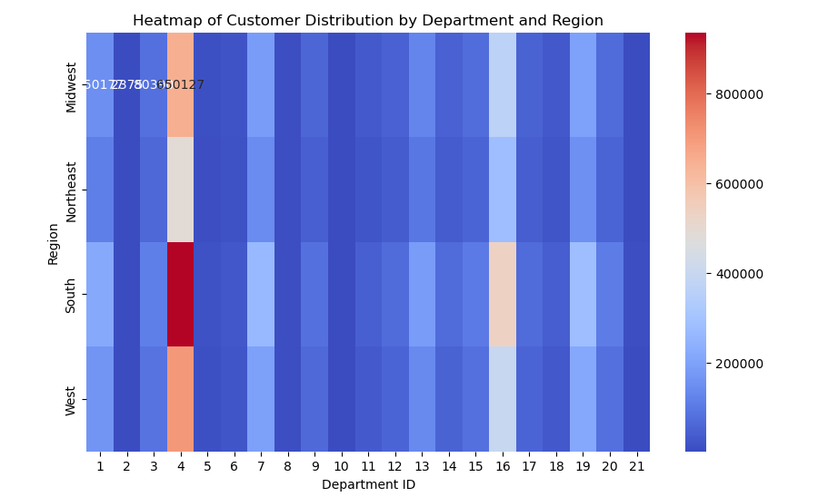
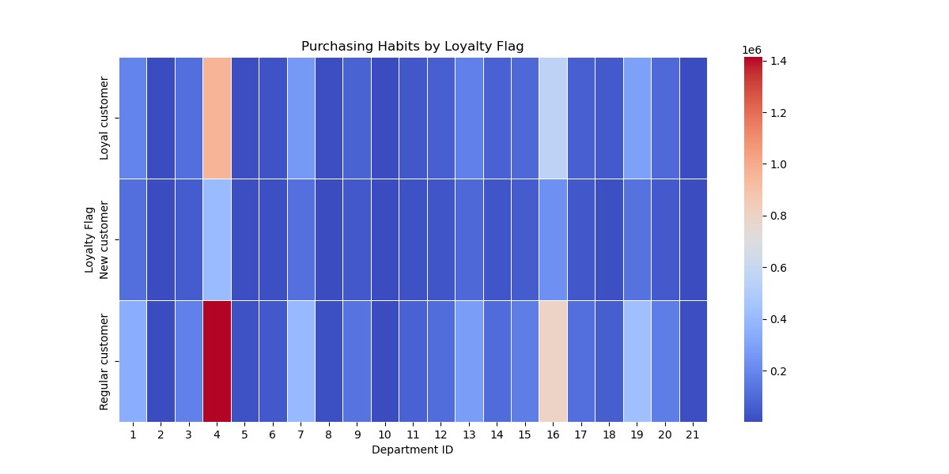

 |  |  | h

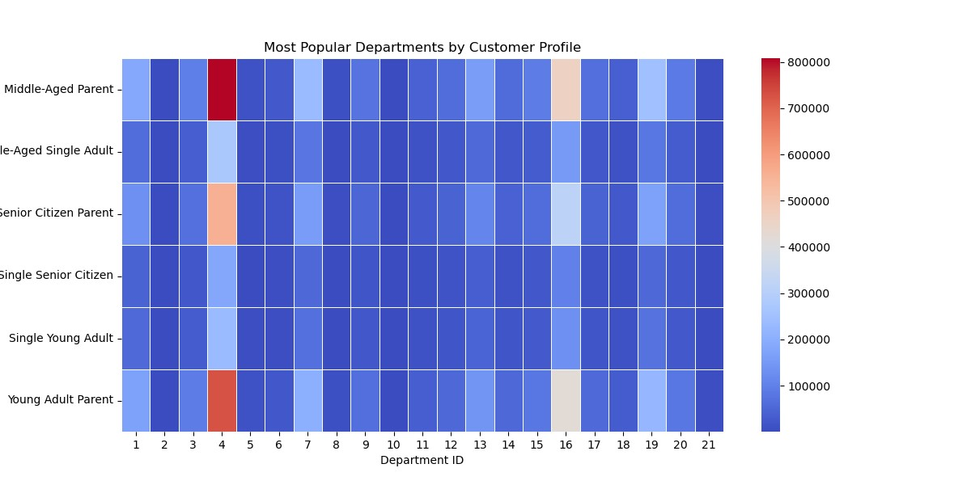

a

 | h

7. Recommendations
 |  |  |  |  |  |  |  |  | Title page

Recommendations

Question | Question
Key Question 1 | What are the busiest days of the week and hours of the day?
Key Question 2 | What are the most popular types of product?
Key Question 3 | What is the distribution among users in regards to their brand loyalty?
Key Question 4 | Are there differences in ordering habits based on a customer's loyalty status and a customer's location?
Key Question 5 | Is there a connection between age and family status in terms of ordering habits?
Key Question 6 | Are there differences in ordering habits of different customer profiles?

1 | What are the busiest days of the week and hours of the day?

To boost sales in your store, we recommend the following strategies:
1. Schedule ads during pre and post-peak hours to maximize customer traffic during those times and increase sales.
2. On slower days, offer promotional discounts on popular items to incentivize customers to come in and make purchases.
3. Use targeted promotional discounts and ads to attract specific customer demographics. For example, offer discounts on popular items for senior citizens on Tuesdays and Wednesdays between 8:00 - 10:00 AM. By implementing these strategies, you can take your sales to the next level and drive more revenue for your business.

2 | What are the most popular types of product?

The most frequently ordered items are produce, dairy, eggs, snacks, beverages, and frozen foods.
1. Offer Combo Promotions: Implement combo deals combining frequently ordered items like snacks and beverages. For instance, introduce enticing offers such as "Buy 2 snacks and get a beverage at 50% off" to incentivize customers to purchase more.
2. Highlight Featured Brands: Showcase popular brands prominently in-store to attract customers' attention. Create dedicated displays or shelves for these brands, emphasizing their quality and appeal to encourage purchases.
 |  | department_id | Product
 |  | 1 | frozen
 |  | 2 | other
 |  | 3 | bakery
 |  | 4 | produce
 |  | 5 | alcohol
 |  | 6 | international
 |  | 7 | beverages
 |  | 8 | pets
 |  | 9 | dry goods pasta
 |  | 10 | bulk
 |  | 11 | personal care
 |  | 12 | meat seafood
 |  | 13 | pantry
 |  | 14 | breakfast
 |  | 15 | canned goods
 |  | 16 | dairy eggs
 |  | 17 | household
 |  | 18 | babies
 |  | 19 | snacks
 |  | 20 | deli
 |  | 21 | missing

1.Implement a Comprehensive Loyalty Program: Develop a robust loyalty program where customers can earn rewards for their purchases. By offering incentives such as points or discounts for every dollar spent, you can encourage customer retention and attract new sign-ups to the program.
2.Personalized Rewards and Offers: Tailor promotions and rewards based on individual customer preferences and purchase history. This personalized approach enhances customer experience and fosters a stronger emotional connection with your brand.
3.Exclusive Benefits for Loyalty Members: Provide exclusive perks and privileges to members of the loyalty program. This could include early access to new products, special events, or VIP customer service, further incentivizing participation in the program.
4.Gamification Elements: Incorporate gamification elements into the loyalty program to increase engagement and excitement among customers. This could involve challenges, badges, or levels to unlock, adding a fun and interactive dimension to the program.
5.Promote Program Benefits: Regularly communicate the benefits of the loyalty program to both existing and potential customers through various channels such as email, social media, and in-store signage. Highlighting the value proposition will encourage participation and drive customer engagement.
6.Continuous Improvement and Feedback: Solicit feedback from customers to understand their preferences and areas for improvement in the loyalty program. Use this input to iterate and enhance the program over time, ensuring it remains relevant and appealing to customers.
7.Collaborate with Partners: Forge partnerships with other businesses or brands to offer joint promotions or rewards to loyalty program members. This expands the program's value proposition and provides additional benefits to customers.
3 | What is the distribution among users in regards to their brand loyalty?

 |  | loyalty_flag | Count
 |  | Regular customer 4865587
 |  | Loyal customer 3154279
 |  | New customer 1898387

4 | Are there differences in ordering habits based on a customer's loyalty status and a customer's location?

There are no notable differences in ordering habits between a customer's loyalty status and a customer's region.

For all ages there is a concentration on the incomes lower than 200k. Younger people (until 40 years old) have incomes lower than 400k and with lower concentration between 200k and 400k and higher concentration on lower than 100k. From 40 years old onwards, it is possible to identify three different patterns: High concentration - incomes lower than 200k (+/-) medium concentration - incomes between 200 and 300k lower concentration - incomes higher than 300k.
5 | Is there a connection between age and family status in terms of ordering habits?

 |  |  |  |  |  | High Income | Low Income | Medium Income

 |  |  |  |  | Middle-Aged Parent | 521500 | 481990 | 1758025
 |  |  |  |  | Middle-Aged Single Adult | 178451 | 152520 | 600266
 |  |  |  |  | Senior Citizen Parent | 362540 | 292745 | 1242093
 |  |  |  |  | Single Senior Citizen | 113119 | 90722 | 405937
 |  |  |  |  | Single Young Adult | 6298 | 502312 | 290849
 |  |  |  |  | Young Adult Parent | 19882 | 1550395 | 910058

6 | Are there differences in ordering habits of different customer profiles?

 |  |  |  | age_group | Middle Aged Adult | Senior Citizen | Young Adult |  |  | age | income | department_id | n_dependants
 |  |  |  | department_id |  |  |  |  | count | 9479702 | 9479702 | 9479702 | 9479702 | 9479702
 |  |  |  | 1 | 247618 | 174390 | 223276 |  | mean | 49 | 99396.96 | 10 | 2 | 2
 |  |  |  | 2 | 4032 | 2605 | 3749 |  | std | 18 | 43853.58 | 6 | 1 | 1
 |  |  |  | 3 | 132636 | 92104 | 118908 |  | min | 18 | 26024 | 1 | 0 | 0
 |  |  |  | 4 | 1081665 | 739152 | 961724 |  | 25% | 33 | 66728 | 4 | 1 | 1
 |  |  |  | 5 | 16755 | 10082 | 16645 |  | 50% | 49 | 96438 | 9 | 2 | 2
 |  |  |  | 6 | 31047 | 20431 | 27185 |  | 75% | 65 | 127537 | 16 | 3 | 3
 |  |  |  | 7 | 311245 | 209080 | 266685 |  | max | 81 | 593901 | 21 | 3 | 3
 |  |  |  | 8 | 10348 | 7225 | 10586
To effectively attract and retain customers, the marketing and sales teams should implement the following strategies to gain more nw customers in different categories:
1.Targeted Advertising: Utilize data analytics to identify potential customers and tailor advertising campaigns to their preferences and behaviors. By delivering personalized messages, the likelihood of engagement and conversion increases.
2.Create a Loyalty Rewards Program: Develop a loyalty program that incentivizes repeat purchases and fosters customer loyalty. Offer exclusive benefits such as discounts, early access to promotions, and personalized recommendations to reward and retain loyal customers.
3.Enhance Customer Experience: Focus on providing exceptional customer service and a seamless shopping experience across all touchpoints. Address customer inquiries promptly, resolve issues efficiently, and continuously optimize the user journey to maximize satisfaction and retention.
4.Implement Referral Programs: Encourage existing customers to refer friends and family by offering incentives such as discounts or rewards for successful referrals. Word-of-mouth marketing can be a powerful tool for acquiring new customers and expanding the customer base.
5.Engage with Customers on Social Media: Actively participate in social media channels to engage with customers, respond to inquiries, and share relevant content. Building a strong online presence and fostering a sense of community can enhance brand loyalty and drive customer retention.
6.Monitor and Analyze Customer Feedback: Regularly gather feedback from customers through surveys, reviews, and social media interactions. Analyze this feedback to identify areas for improvement and implement changes to better meet customer needs and preferences.
 |  |  |  | 9 | 98159 | 66147 | 86523
 |  |  |  | 10 | 4121 | 2596 | 3543
 |  |  |  | 11 | 52380 | 34287 | 44809
 |  |  |  | 12 | 80809 | 55753 | 70320
 |  |  |  | 13 | 214257 | 143325 | 187217
 |  |  |  | 14 | 81510 | 52985 | 70634
 |  |  |  | 15 | 121498 | 81721 | 108278
 |  |  |  | 16 | 613275 | 416102 | 553145
 |  |  |  | 17 | 85487 | 55632 | 73714
 |  |  |  | 18 | 49667 | 31031 | 43955
 |  |  |  | 19 | 328905 | 223909 | 295345
 |  |  |  | 20 | 119669 | 83165 | 106986
 |  |  |  | 21 | 7669 | 5434 | 6567

 | v

 | b

 | b

